1. Title Page
[GROCERY BASKET ANALYSIS]

Project Name: Instacart Basket Analysis
Date: 1 November 2023
Analyst Name: Diana Garcia

Contents:
Population Flow
Consistency checks
Wrangling steps
Column derivations
Visualizations
Recommendations

Citation: "The Instacart Online Grocery Shopping Dataset 2017", Accessed from www.instacart.com/datasets/grocery-shopping-2017 via Kaggle on 1 November 2023

2. Population Flow
Title page

POPULATION FLOW

Orders_products_combined
Orders_products_merged
Orders_products_all

Total: 32434489, 13
Total: 32404859, 15
Total: 32404859, 34

1.) The grey boxes in the first row of the population flow represent the original data sets as they were when you downloaded them. In the Total fields you need to add the count of the rows when you imported the data set into Jupyter.
2.) The second row of boxes (coloured) represents the data sets after you manipulated them, e.g., removed missing values and duplicates. In the Total fields you need to add the count of the rows after conducting these operations. This offers a visual oveview of how the data flows throughout the data consistency checks.
3.) The third row, where also the arrows are coloured, represents the merges you performed between the datasets. In the Total fields you need to add the count of the rows in the merged datasets, so that you end up with the final dataset (in the red box). Keep in mind the final dataset should be without exclusions (based on the exclusion flag).

4. Wrangling steps
WRANGLING STEPS

Columns dropped | Columns renamed | Columns' type changed | Comment/Reason
 |  | user_id' | changed 'user_id' from integer to a string
 | order_hour_of_day |  | changed order_hour_of_day to orders_time_of_day
unnamed: 0.1 |  |  | removed 'unnamed: 0.1' as it is an unnecessary column
unnamed: 0 |  |  | removed 'unnamed: 0' as it is an unnecessary column
_merge |  |  | removed as it was unnecessary
 | Surnam |  | mispelled and it needed to be lowercased
 | First Name |  | needed to remove the space between the two and lowercase the two
 | STATE |  | needed to lowercase the from STATE to state
 | Gender |  | needed to lowercase the G
 | Age |  | needed to lowercase the A
 | fam_status |  | needed to changed fam to marital to better understand dataset
 | n_dependents |  | needed to changed n_depended to num_of_dependents to better understand dataset
first_name |  |  | PII- Security risk
last_name |  |  | PII- Security risk

3. Consistency checks
 |  |  |  | Title page
CONSISTENCY CHECKS

Dataset | Missing values | Missing values treatment | Duplicates
orders | In days_since_prior_order, there appears to be 206209 missing values | Although there appears to be 206209 missing values, the values needed to remain in the dataset since the 'order_number' of each of these customers is 1. | No Duplicates found
products | product_name appears to have 16 missing values | For the missing values in product_name, I decided to remove/drop the missing values | 5 Duplicates found and removed
orders_products_prior | No values are missing | No missing values to treat | No Duplicates found
customers | In first_name column there are 11259 NaN values | No action required since the rest of the information is usable for our analysis | No Duplicates found

5. Column derivations
 |  |  |  | Title page

COLUMN DERIVATIONS AND AGGREGATIONS

Dataset | New column | Column/s it was derived from | Conditions
orders_products_merged.pkl | price_label | prices | if row['prices'] <= 5: return 'Low range product' elif (row['prices'] > 5) and (row['prices'] <= 15): return 'Mid range product' elif row['prices'] > 15: return 'High range product' else: return np.nan
orders_products_merged.pkl | price_range_loc | prices | df.loc[df['prices'] > 15, 'price_range_loc'] = 'High range product' df.loc[df['prices'] > 15, 'price_range_loc'] = 'High range product' df.loc[(df['prices'] <= 15) & (df['prices'] > 5), 'price_range_loc'] = 'Mid range product' df.loc[df['prices'] <= 5, 'price_range_loc'] = 'Low range product'
orders_products_merged.pkl | busiest_day | order_dow | result = [] for value in ords_prods_merged["order_dow"]: if value == 0: result.append("Busiest day") elif value == 4: result.append("Least busy") else: result.append("Regularly busy")
orders_products_merged.pkl | busiest_days | order_dow | result = [] for value in ords_prods_merged["order_dow"]: if value == 0 or value == 1: result.append("Busiest days") elif value == 4 or value == 3: result.append("Least busy") else: result.append("Regularly busy")
orders_products_merged.pkl | Busiest_period_of_day | order_hour_of_day | hour_of_day = [] for value in ords_prods_merged["order_hour_of_day"]: if value in [10, 11, 14, 15, 13, 12, 16, 9]: hour_of_day.append("Most orders") elif value in [ 17, 8, 18, 19, 20, 7, 21, 22]: hour_of_day.append("Average orders") else: hour_of_day.append("Fewest orders")
orders_products_merged_updated | loyalty flag | max_order | ords_prods_merge.loc[ords_prods_merge['max_order'] > 40, 'loyalty_flag'] = 'Loyal customer' ords_prods_merge.loc[(ords_prods_merge['max_order'] <= 40) & (ords_prods_merge['max_order'] > 10), 'loyalty_flag'] = 'Regular customer' ords_prods_merge.loc[ords_prods_merge['max_order'] <= 10, 'loyalty_flag'] = 'New customer'
orders_products_merged_updated | average_price | user_id & prices | ords_prods_merge['average_price'] = ords_prods_merge.groupby(['user_id'])['prices'].transform(np.mean)
orders_products_merged_updated | spending_flag | average_prices | # creating "Spending_flag" for average price < 10 as low spender ords_prods_merge.loc[ords_prods_merge['average_price'] < 10, 'spending_flag'] = 'Low spender' #creating "Spending_flag" for average price >= 10 as High spender ords_prods_merge.loc[ords_prods_merge['average_price'] >= 10, 'spending_flag'] = 'High spender'
orders_products_merged_updated | median orders | user_id & days_since_prior_order | ords_prods_merge['median_orders'] = ords_prods_merge.groupby(['user_id'])['days_since_prior_order'].transform(np.median)
orders_products_merged_updated | order_frequency_flag | median_orders | ords_prods_merge.loc[ords_prods_merge['median_orders'] > 20, 'order_frequency_flag'] = 'Non-frequent customer' ords_prods_merge.loc[(ords_prods_merge['median_orders'] > 10) & (ords_prods_merge['median_orders'] <= 20), 'order_frequency_flag'] = 'Regular customer' ords_prods_merge.loc[ords_prods_merge['median_orders'] <= 10, 'order_frequency_flag'] = 'Frequent customer'
orders_products_customer_merge.pkl | region | state | results_region = [] for value in instacart_merged["state"]: if value == 'Maine' or value == 'New Hampshire' or value == 'Vermont' or value == 'Massachusetts' or value == 'Rhode Island' or value == 'Connecticut' or value == 'New York' or value == 'Pennsylvania' or value == 'New Jersey': results_region.append("Northeast") elif value == 'Wisconsin' or value == 'Michigan' or value == 'Illinois' or value == 'Indiana' or value == 'Ohio' or value == 'North Dakota' or value == 'South Dakota' or value == 'Nebraska' or value == 'Kansas' or value == 'Minnesota' or value == 'Iowa' or value == 'Missouri': results_region.append("Midwest") elif value == 'Delaware' or value == 'Maryland' or value == 'District of Columbia' or value == 'Virginia' or value == 'West Virginia' or value == 'North Carolina' or value == 'South Carolina' or value == 'Georgia' or value == 'Florida' or value == 'Kentucky' or value == 'Mississippi' or value == 'Alabama' or value == 'Oklahoma' or value == 'Texas' or value == 'Arkansas' or value == 'Louisiana': results_region.append("South") else: results_region.append("West")
orders_products_customer_merge.pkl | age_group | age | instacart_merged.loc[(instacart_merged['age'] >= 18) & (instacart_merged['age'] <= 32), 'age_group'] = 'Young Adult: 18-32' instacart_merged.loc[(instacart_merged['age'] >= 33) & (instacart_merged['age'] <= 48), 'age_group'] = 'Adult: 33-48' instacart_merged.loc[(instacart_merged['age'] >= 49) & (instacart_merged['age'] <= 64), 'age_group'] = 'Older Adult: 49-64' instacart_merged.loc[(instacart_merged['age'] >= 65), 'age_group'] = 'Senior: 65+'
orders_products_customer_merge.pkl | income_level | income | #Creating income_level flag for Lower level instacart_merged.loc[(instacart_merged['income'] >= 25000) & (instacart_merged['income'] <= 67000), 'income_level'] = 'Lower Level' #Creating income_level flag for Middle Level instacart_merged.loc[(instacart_merged['income'] >= 67001) & (instacart_merged['income'] < 127000), 'income_level'] = 'Middle Level' #Creating income_level flag for Upper Level instacart_merged.loc[instacart_merged['income'] > 127001, 'income_level'] = 'Upper Level'

6. Visualizations
 |  | Title page

VISUALIZATIONS

In this tab you should include all the visualtions from Exercises 4.9 and 4.10, alongside the questions from the project brief that they answer. Include any commentary on the relationship between different variables.


Order Hour of Day

Frequency
Orders Day of Week

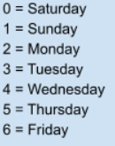

The histogram 'Order Hour of Day, illustrates the busiest hours for placing orders. It portrays that the hours between 9 am and 4 pm are the peak period for placing orders whereas the hours between 1 am and 6 am are the lowest. Furthermore, there is a steady decrease on the orders placed after 4 pm | The bar chart, 'Orders Day of Week illustrations that the highest number of orders placed is that of Saturday and Sunday, thus confirming that the majority of orders placed are on the weekends


Prices of Orders Hour of Day
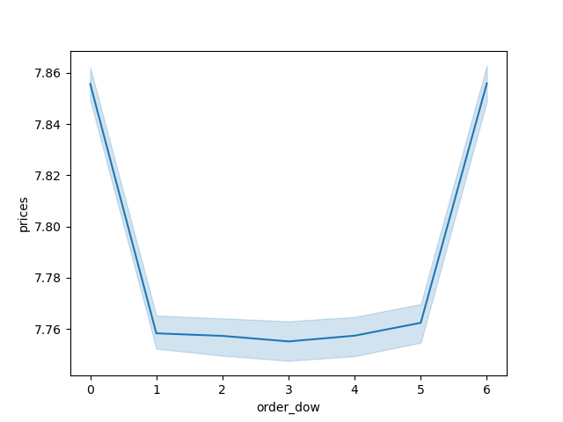
Prices of Orders Day of Week

The line chart Prices of Orders Hour of Day illustrates that customers are more likely to purchase more expensive items at around 3 am and the least expensive items at 10 am. | The line chart Prices Orders Day of Week depicts that the price of the orders placed throughout the week are more expensive on the weekend but the prices throughout the week are stagnant


Age and Income

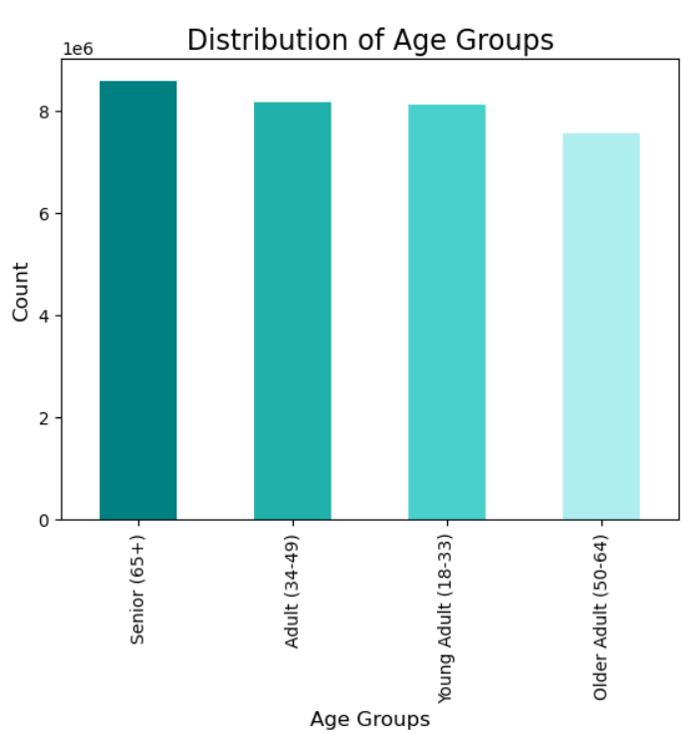
Age and Family Situation

The scatterplot depicted above, 'Age and Income,' illustrates that the majority of individuals remain unde 200000 in regards to income, howver in older individuals aged 40-80 there are more outliers who have a much higher spending power over the ages of 20-39. The scatterplot portrays that once an individual turns 40, their earnings have the potential to change from 400000 to 600000. Thusly, the graph illustrates that there is a correlation between age and income. | The line chart depicted above, 'Age and Family Situation' illustrates that there does not appear to be any correlation between age and number of dependents.

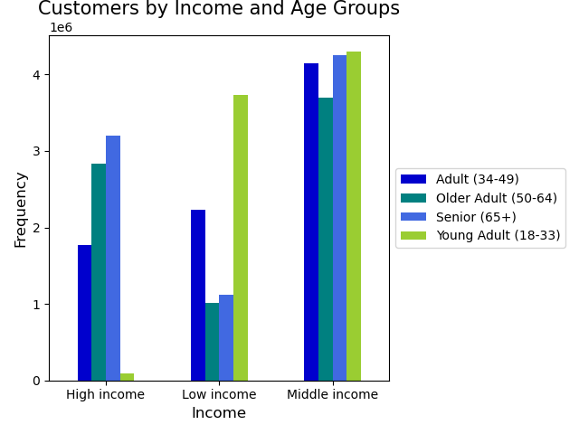
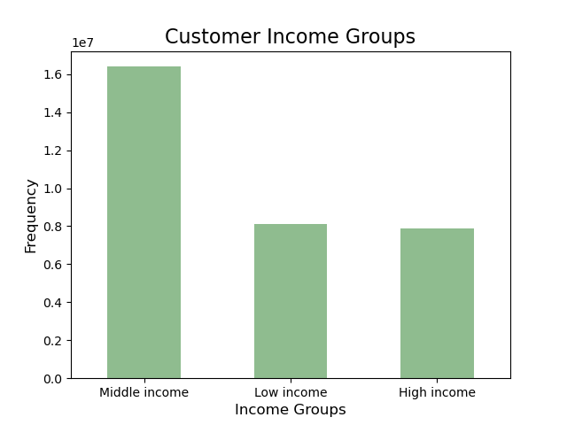

The bar chart, 'Customers by Income and Age Groups',' illustrates that the majority of income is distributed for indivdiuals in the middle income group. Additionally, it depicts that the 'Young Adult' age group is the least likely to be in the high income group and the most likely to be in the 'Low Income' group. Furthermore, the gragh shows how the 'Seniors (65+) are the most likely to enjoy a higher income while the 'Older Adults (50-64)and the Seniors (65+) are the least likely to be in the lower income levels. | The bar chart above, ' Customer Income Groups' depicts the most common income group customers belong to which is that of the Middle income level

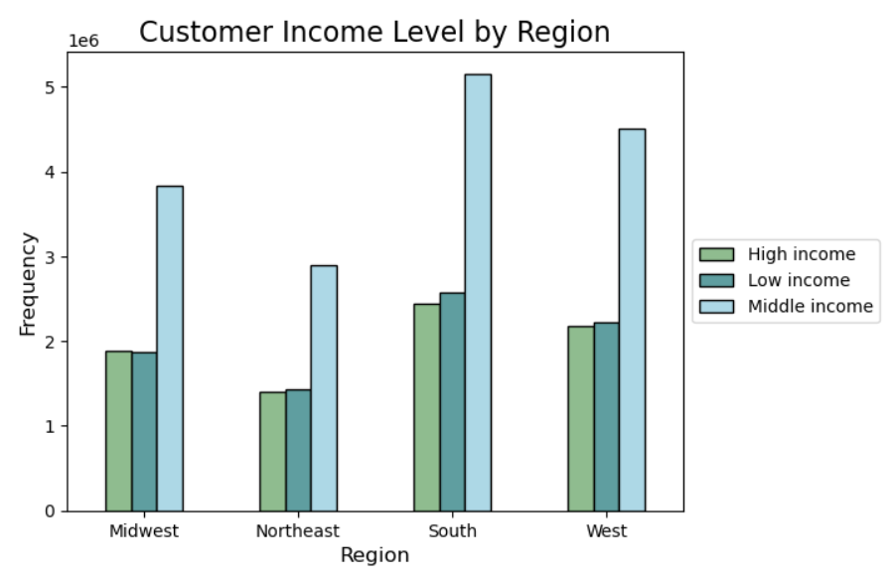
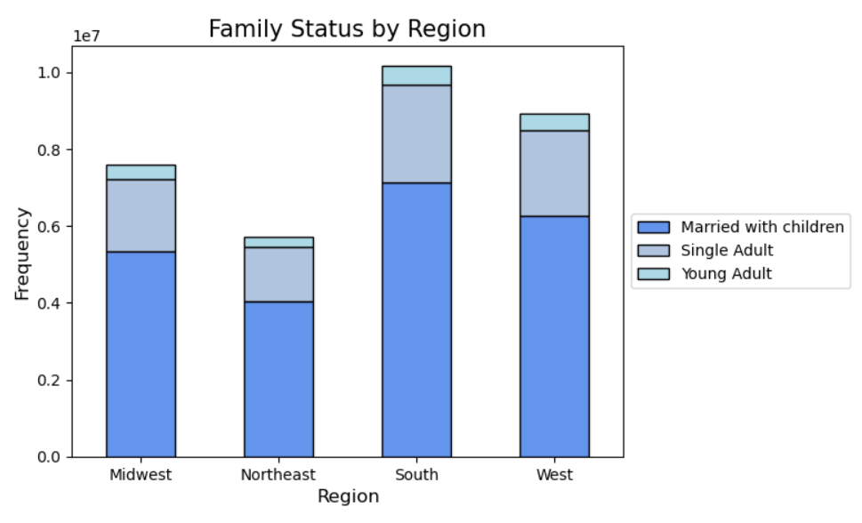

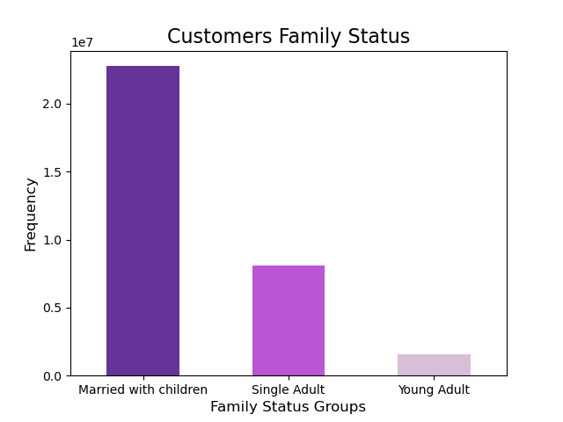

The bar chart 'Customer Income Level by Region' depicts the range of income levels by region. The bar chart illustrates that the middle income level is the most common throughout all regions, but primarily in the South, followed by the West, the Midwest and the Northeast. In addition, the chart depicts the lower levels of higher earning income in all regions | The bar chart above depicts that throughout the regions the majority of individuals are marrried with children, particularily in the South.

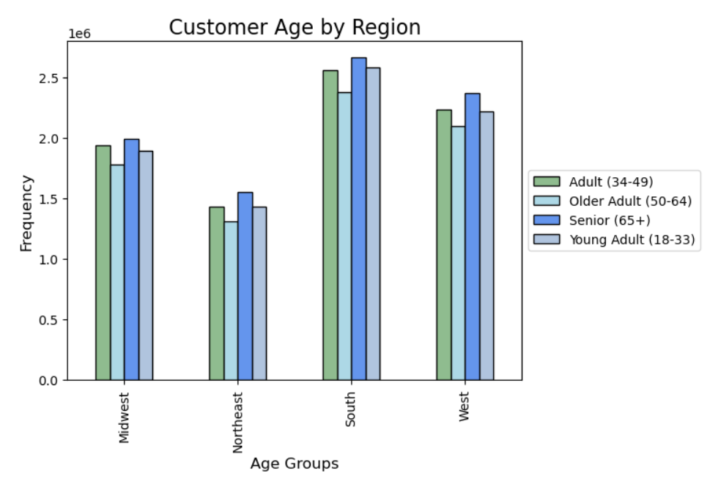

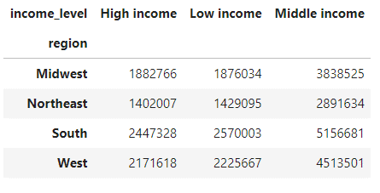

 | The bar chart 'Customer Age by Region' illustrates that the majority of customers 18+ are in the Southern and Western, and that in these region the largest age group is that of Seniors 65+. The Northeast region has the least amount of age groups in the region.

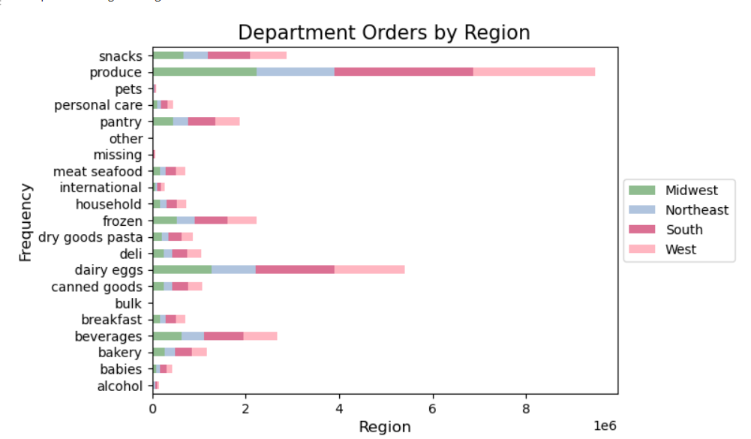
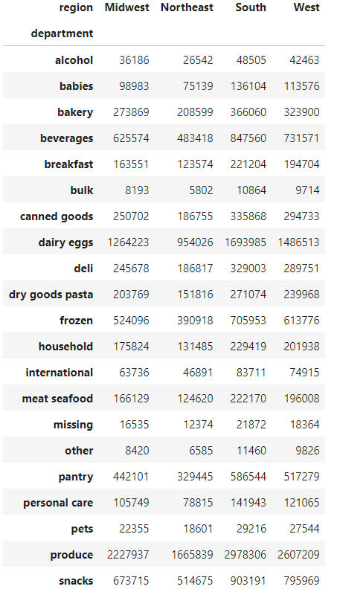

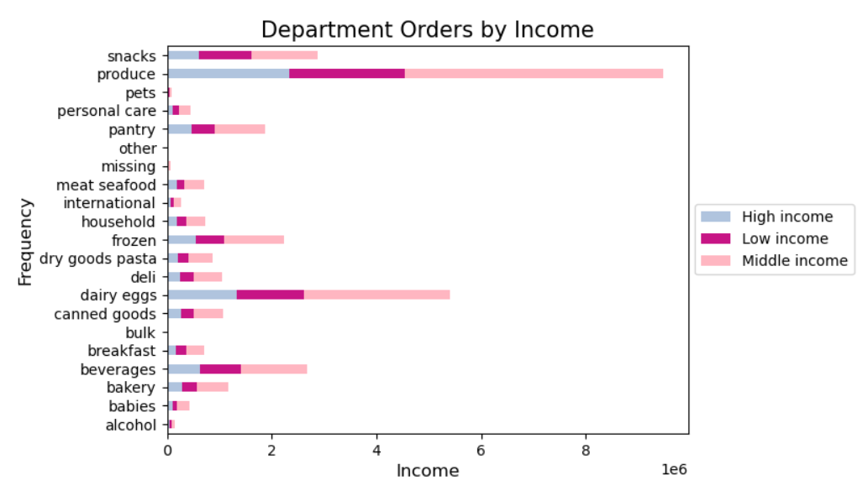

 | In the bar charts 'Department Orders by Region', 'Department Orders by Age Group', 'Department Orders by Income', and 'Department Orders by Family Status,' the commonality in all four of the chart is that regardless of age, income, region, or family status, produce is the number one department order followed by dairy eggs, snacks, and beverages.
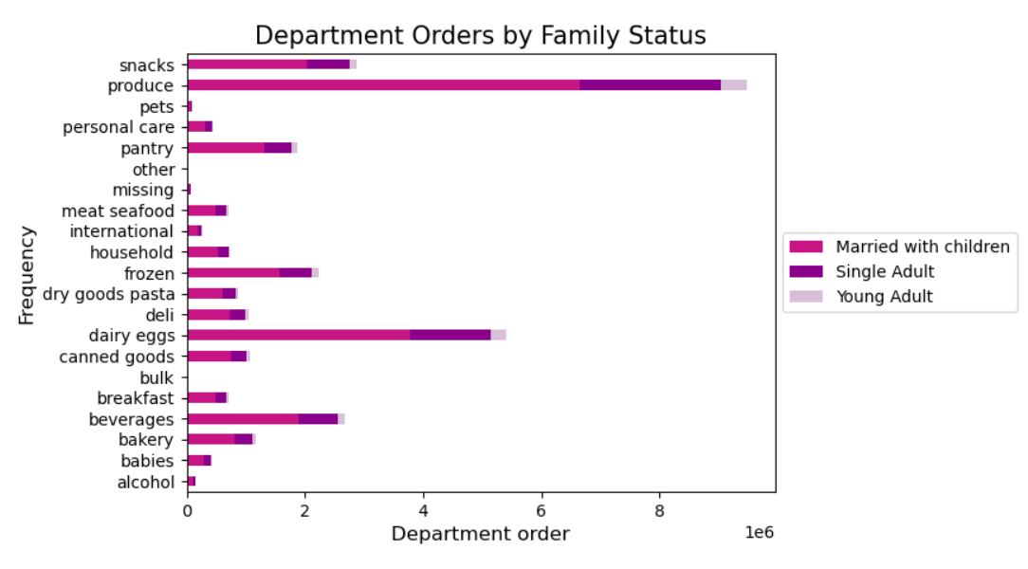

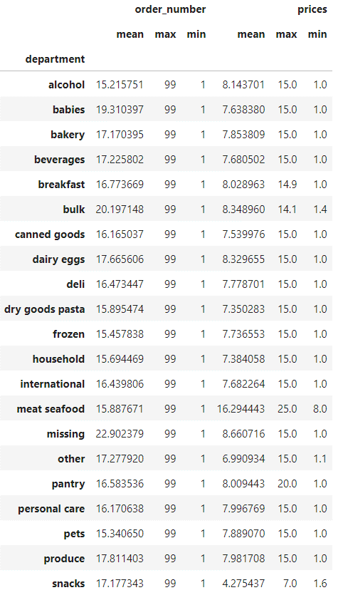

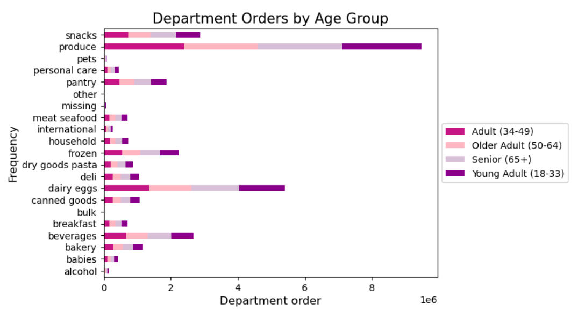

Customer Loyalty
Frequency of Prices
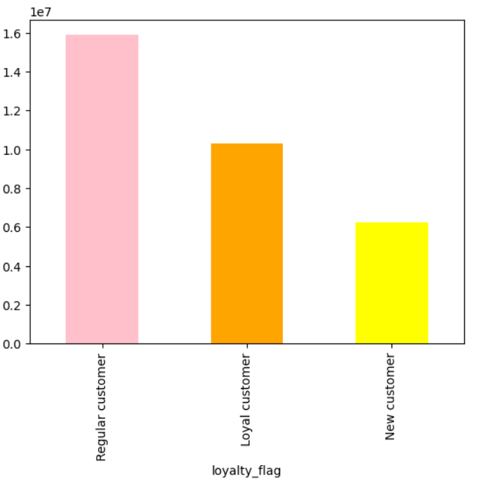


Price

7. Recommendations
RECOMMENDATIONS

In this tab you should include any recommendations you would made to Instcart in terms of their marketing strategy based on the questions posed in the brief. Every key question has been covered in the Tasks of the Exercises - here you need to add an item - a visualisation or table/crosstable that is showing the answer in the data, acompanied by a comment from you. Please, list the questions below and add the answer underneath.

Key Questions

Orders Hour of Day
Question | Answer | Graph
The sales team need to know what the busiest days of the week and hours of the day are (i.e., the days and times with most orders) in order to schedule ads at the time when there are fewer orders | The busiest days of the week for placing orders are on the weekend, peaking on Saturday as the day of the week with the most orders then Sunday and Friday. The busiest hour for placing orders is between 9 am and 4 pm. As such if the sales team wishes to schedule ads at the time when there are fewer orders, I would recommend placing adds after 4 pm and during the weekdays as Wednesday is the day of the week that has the least amount of orders placed, followed by Tuesday and Monday.

Prices of Orders Hours
Is there a particular time of the day when people spend the most money, as this might inform the type of products they advertise at these times | Customers are more likely to purchase more expensive items at around 3 am and the least expensive items at 10 am. Additionally the price of the orders placed throughout the week are more expensive on the weekend but the prices throughout the week are stagnant. As such, the sales team may want to advertise the most expensive items on the weekend specifically around 3 am.

Frequency of Prices
Instacart has a lot of products with different price tags. Marketing and sales want to use simpler price range groupings to help direct their efforts | The majority of products are between $2-$15, illustrating that most consumers are more inclined to purchase more affordable items.

Are there certain types of products that are more popular than others? The marketing and sales teams want to know which departments have the highest frequency of product orders. | The highest placed orders is that or Produce, dairy eggs, and Snacks regardless of age, family status, region or income.

Brand Loyalty
What's the distribution among users in regards to their brand loyalty? (i.e., how often do they return to Instacart? | In terms of brand loyality, the majority of return customers are that of regular customers then that of the loyal customers, whicle newer customers are the the most loyal to brands. As such, it is important to offer more incentives to promote customer loyality

Age Group vs. Income level
The marketing and sales teams are particularly interested in the different types of customers in their system and how their ordering behaviors differ. | The marketing and sales team must ensure to look at the different age groups and target based on those particular age groups. Since individuals over 40 have a higher spending power, the sales/marketing team should ensure to target those particular individuals.

